HV
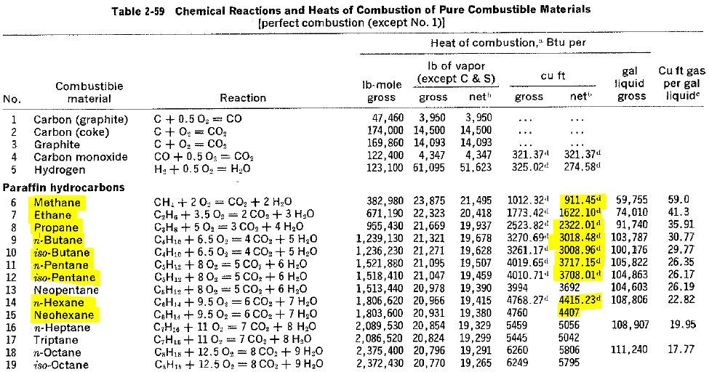
 | Heats of Combustion (Btu/cu.ft.) (Saturated) | UnNominalized | Nominalized | HV (Btu/cu.ft.) | Saturated refers to the net heating value
Nitrogen | 0 | 2.51 | 2.5100% | 0.00
Methane | 994.71 | 88.7826 | 88.7826% | 883.13
Carbon Dioxide | 0 | 3.01 | 3.0100% | 0.00
Ethane | 1742.58 | 3.53 | 3.5300% | 61.51
Propane | 2479.93 | 1 | 1.0000% | 24.80
i-Butane | 3204.45 | 0.396 | 0.3960% | 12.69
n-Butane | 3213.81 | 0.4 | 0.4000% | 12.86
i-Pentane | 3940.96 | 0.151 | 0.1510% | 5.95
n-Pentane | 3949.74 | 0.151 | 0.1510% | 5.96
Hexanes Plus | 4685.34 | 0.0694 | 0.0694% | 3.25
 |  | 100 | Wet | 1010.15
 |  |  | Dry | 1028.03

 |  |  |  |  | Correction to dry conditions was accomplished by multiplying the calorimeter readings by 1.0177, where 1.0177 is 30/(30-0.5218). In this equation, 30 is the standard pressure (in. Hg), and 0.5218 is the vapor pressure of water (in. Hg), saturated at 60F.

HV 1st Edition using Gross HV
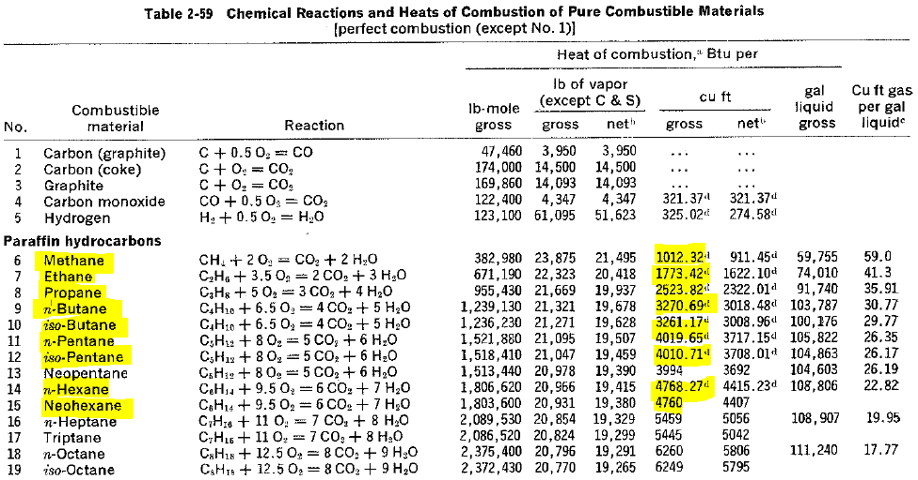
 | Heats of Combustion (Btu/cu.ft.) (Saturated) Gross | UnNominalized | Nominalized | HV (Btu/cu.ft.)
Nitrogen | 0 | 2.51 | 2.5100% | 0.00
Methane | 1012.32 | 88.7826 | 88.7826% | 898.76
Carbon Dioxide | 0 | 3.01 | 3.0100% | 0.00
Ethane | 1773.42 | 3.53 | 3.5300% | 62.60
Propane | 2523.82 | 1 | 1.0000% | 25.24
i-Butane | 3261.17 | 0.396 | 0.3960% | 12.91
n-Butane | 3270.69 | 0.4 | 0.4000% | 13.08
i-Pentane | 4010.71 | 0.151 | 0.1510% | 6.06
n-Pentane | 4019.65 | 0.151 | 0.1510% | 6.07
Hexanes Plus | 4764.135 | 0.0694 | 0.0694% | 3.31 | Avg. n-Hexane and Neohexane
 |  | 100 | Wet Dry | 1028.03
 |  |  | Dry | 1046.23

 |  |  |  |  |  | Correction to dry conditions was accomplished by multiplying the calorimeter readings by 1.0177, where 1.0177 is 30/(30-0.5218). In this equation, 30 is the standard pressure (in. Hg), and 0.5218 is the vapor pressure of water (in. Hg), saturated at 60F.

methane | 93.045 | 1012.32 | 941.91
ethane | 6.327 | 1773.42 | 112.20
Propane | 0.359 | 2523.82 | 9.06

Total: | 99.731 |  | 1063.18 | Gross

